Form Responses 1
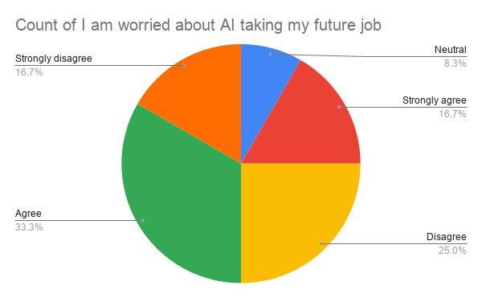
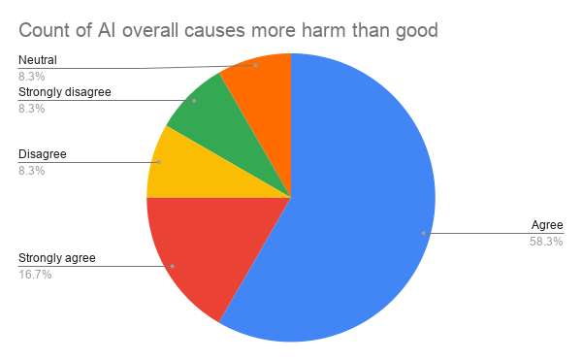
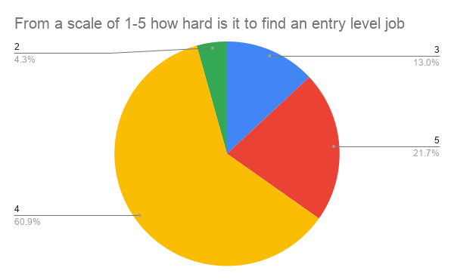
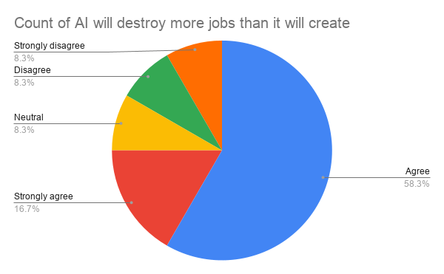
Timestamp | From a scale of 1-5 how hard is it to find an entry level job | AI overall causes more harm than good | AI will destroy more jobs than it will create | I am worried about AI taking my future job | How does AI impact your life as a university student? How confident are you that you will find an entry level job in your desired industry?
6/4/2026 | 3 | Agree | Agree | Neutral | As a university student I have to pay for my degree and for my everyday shopping, all the niche jobs I could’ve been doing have been taken over by ai and I have to search for jobs that have way more applicants to get into
6/4/2026 | 5 | Strongly agree | Strongly agree | Strongly agree | Ai is a bourgeoise tool and data centers must be burnt
6/4/2026 | 4 | Agree | Agree | Disagree | not much, ai doesn't effect the jobs for the course I'm currently taking
6/4/2026 | 4 | Agree | Neutral | Agree | As a student learning trying to be a software developer I have found it increasingly hard to find a job in my industry,
6/4/2026 | 2 | Agree | Agree | Disagree | I can secure employment relatively easily due to the demand in my industry. AI can tempt me to take shortcuts at times but I try my best to stay away.
6/4/2026 | 4 | Agree | Agree | Agree | AI helps me complete tasks more efficiently, but I believe it can also reduce critical thinking and encourage overreliance on technology — which may negatively affect learning. I am not very confident about finding an entry-level job because the job market is competitive and AI is increasingly automating tasks that were once performed by junior employees — reducing some opportunities for graduates.
6/4/2026 | 4 | Disagree | Disagree | Disagree | AI helps me study faster and understand things more easily. It makes uni work less stressful and I feel fairly confident about finding an entry level job, especially if I keep building skills and stay adaptable.
6/5/2026 | 3 | Strongly disagree | Strongly disagree | Strongly disagree | AI makes my life easier. I use tools like Codex, OpenCode and ChatGPT to perform tedious tasks for me and help answer different questions. I'm confident that my skills in AI will put me at an advantage compared with other programmers, helping me find an entry level job easily.
6/5/2026 | 4 | Agree | Agree | Strongly disagree | I should be fine I mean I am pretty smart so like I could take up a hard job and probably be able to do it. Overall I am confident I can still find a job.
6/5/2026 | 4 | Neutral | Agree | Strongly agree | Plagiarism is everywhere at my university. About 3/4 of the cohort is using multiple AI sources in order to create a creative and authentic piece of work that they believe is "their own work" when they just combine multiple pieces of work from others and made a 'collage'. In the future once I graduate, most jobs will be running automatic production lines with 100% AI involvement. Its true that we humans may still need to do the cleaning parts of the job but is cleaning all we are going to do?
6/5/2026 | 5 | Strongly agree | Strongly agree | Agree | It will likely negatively impact my life going into university in terms of not just job prospects but overall quality of life as we now need to second guess legitimacy of art, music and media which may ultimately affect pursuing my career of neuromarketing and psychology
6/10/2026 | 4 | Agree | Agree | Agree | AI helps me as a university student by making research, studying, and completing assignments more efficient. I am moderately confident that I will find an entry-level job in my desired industry, although I recognise that competition and changing workplace demands may make the process challenging.

